1. Title Page
Instacart Grocery Basket Analysis

Project Name: Instacart Grocery Basket Analysis
Date: 8-24-22
Analyst Name: Bethany Reed

Contents:
Population Flow
Consistency Checks
Wrangling Steps
Column Derivations
Visualizations
Recommendations

2. Population Flow
Population flow

Orders_products_combined
Orders_products_merged
Orders_products_all

Total: 32,404,859
Total: 32,434,489
Total: 32,404,859

Exclusion flag
Condition: max_order < 5
Obervations to be removed: any user with less tahn 5 orders total
Final total count of instacart_final: 30,964,564

instacart_final

Total: 30,964,564

3. Consistency Checks
Consistency Checks

Dataset | Missing values | Missing values treatment | Duplicates | Other Changes
orders | days_since_prior_order | replaced with MEDIAN (7) | 0 duplicates
products | product_name | set up new dataframe without as they are string | 5 duplicates deleted
orders_products_prior |  | no missing values | 0 duplicates | Prices - deleted all > 100
customers | first_name | kept as no names will be used and rest of data is complete | 0 duplicates

4. Wrangling Steps
Wrangling Steps

Columns dropped | Comments | Columns' type changed | Comment/Reason
df_ords - eval_set (orders) | eval_set not needed | order_id (in orders) | changed to string
first_name (orders_products_all) | privacy of individuals | user_id (in orders) | changed to string
last_name (orders_products_all) | privacy of individuals | product_id (in prods) | changed to string
 |  | aisle_id (in prods) | changed to string
 |  | department_id (prods) | changed to string
 |  | first_name (customer) | changed to string

Columns Renamed | Comments
orders_dow = orders_day_of_week (orders) | make it more understandable
Surnam = last_name (customer) | surname spelled wrong and matches with First Name | **Used df_deps_t2 as data dictionary
First Name = first_name (customer) | to keep consistent with data with underscore
STATE = state (customer) | to keep consistent with data | df_breakfast = all breakfast items based on dept id 14
n_dependants - num_of_dependants (customer) | to make more intuitive
Gender = gender (customer) | to make lowercase to match other data | df_dinnerparty = departments 5 (alcohol) 7 (beverages) 12 (meat/seafood) and 20 (deli)
Age = age (customer) | to make lowercase to match other data

 |  | df_ords - df_ords2
 |  | df_depts - df_deps_t - df_deps_t2

5. Column Derivations
Column Derivations and Aggregations

Dataset | New column | Column/s it was derived from | Conditions
ords_prods_merge | price_range_loc | price | Low-range product <= 5 Mid-range product >5 <= 15 High-range product > 15
ords_prods_merge | busiest_day | orders_day_of_week | Busiest Day = 0 Least Busy ==4 Regularly busy == any other
ords_prods_merge | busiest_days | orders_day_of_week | Busiest Day = 0,2 Least Busy ==3,4 Regularly busy == any other
ords_prods_merge | busiest_period_of_day | order_hour_of_day | Most Orders 9-17 Average Orders 7-8, 18-23 Fewest Orders = 0-6
ords_prods_merge | max_order | order_number | group by user_id
ords_prods_merge | loyalty_flag | max_order | Loyal customer > 40 Regular customer <=40, > 10 New customer <=10
ords_prods_merge | mean_price | prices | group by user_id
ords_prods_merge | spending_flag | mean_price | Low Spender < 10 High Spender >=10
ords_prods_merge | order_frequency | days_since_prior_order | group by user_id
ords_prods_merge | order_frequency_flag | order_frequency | Frequent Customer > 20 Regular Customer <=20, >10 Non Frequent Customer <=10
instacart2 | geographic_region | state | see table below

geographic_region breakdown
Northeast | Midwest | South | Conditions
Maine | Wisconsin | Delaware | Idaho
New Hampshire | Michigan | Maryland | Montana
Vermont | Illinois | District of Columbia | Wyoming
Massachusetts | Indiana | Virginia | Nevada
Rhode Island | Ohio | West Virginia | Utah
Connecticut | North Dakota | North Carolina | Colorado
New York | South Dakota | South Carolina | Arizona
Pennsylvania | Nebraska | Georgia | New Mexico
New Jersey | Kansas | Florida | Alaska
 | Minnesota | Kentucky | Washington
 | Iowa | Tennessee | Oregon
 | Missouri | Mississippi | California
 |  | Alabama | Hawaii
 |  | Oklahoma
 |  | Texas
 |  | Arkansas
 |  | Louisiana

6. Visualizations & Notes
Visualisations

#1. What are the busiest days and hours of the day for orders?

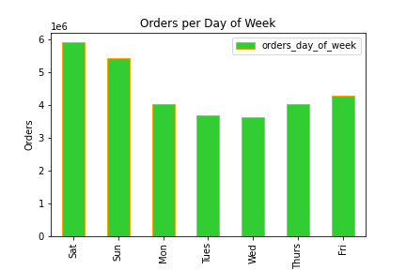
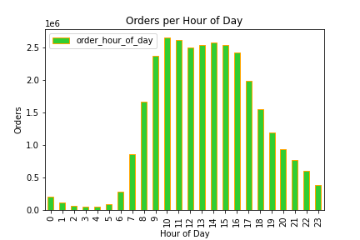

 |  |  |  |  |  |  |  |  |  |  |  | Our two charts show that the busiest days of the week are weekends, Saturday and Sunday. Busiest hours of day for ordering are between 9:00 and 16:00 (9am - 4pm). Based on this you can schedule ads on busier or slower times depending on if you are trying to pick up orders during slow times, or place ads for certain products while users are already ordering.

#2 What times of Day do People Spend the Most Money?
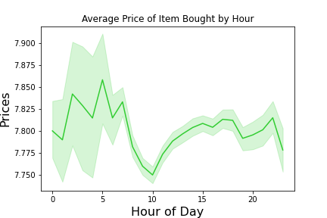
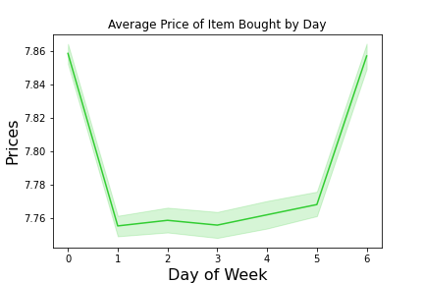
 |  |  |  |  |  |  |  |  |  |  |  | First note this is a random sampling of the data used to represent the whole. We are using 30% so the overall prices do not have a large range. In this it is showing that the larger ticket items are bought in the first 7 hours of the day, and later in the evening. The busier hours show lower priced items as users are probably ordering multiple items but have a max dollar they are willing to spend so will pass on the larger items. Higher ticketed items are sold on Fridays and Saturdays.

#3 Simpler Price Range Grouping for Marketing Efforts
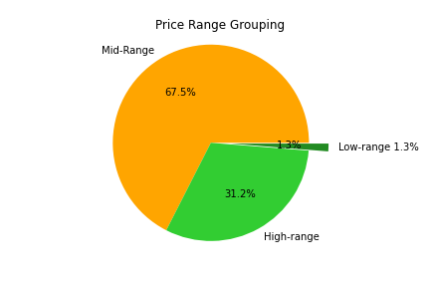
 |  |  |  |  |  |  |  |  | All products were divided into 3 categories: High-Range is greater than $15 Mid-Range is greater than 5, less than or equal to $15 Low-Range is less than or equal to $5

#4 Which Products are Most Popular? Which Departments have the Most Orders?
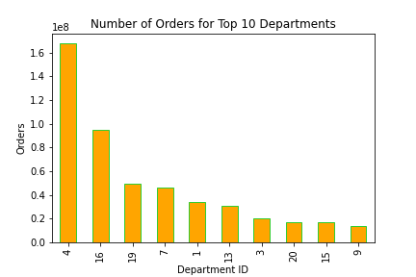

 |  |  |  | Dept ID |  |  | Department

 |  |  |  | 4 |  |  | Produce
 |  |  |  | 16 |  |  | Dairy Eggs
 |  |  |  | 19 |  |  | Snacks
 |  |  |  | 7 |  |  | Beverages |  |  |  |  | The top categories are listed to the left (out of 21 departments total). Along with the top 10 products. The largest department for orders is produce. As you can see in the top product list, it is not just produce, but organic produce seems to be most of the top items.
 |  |  |  | 1 |  |  | Frozen
 |  |  |  | 13 |  |  | Pantry
 |  |  |  | 3 |  |  | Bakery
 |  |  |  | 20 |  |  | Deli
 |  |  |  | 15 |  |  | Canned Goods
 |  |  |  | 9 |  |  | Dry Goods Pasta

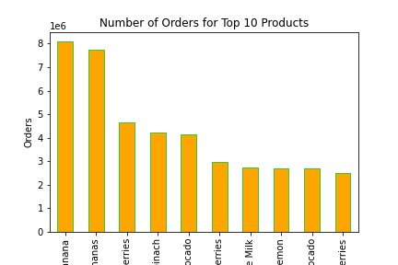

 |  |  |  |  |  |  | Top 10 Products

 |  |  |  |  |  |  | Banana
 |  |  |  |  |  |  | Bag of Organic Bananas
 |  |  |  |  |  |  | Organic Strawberries
 |  |  |  |  |  |  | Organic Baby Spinach
 |  |  |  |  |  |  | Organic Haas Avocado
 |  |  |  |  |  |  | Organic Raspberries
 |  |  |  |  |  |  | Organic Whole Milk
 |  |  |  |  |  |  | Large Lemon
 |  |  |  |  |  |  | Organic Avocado
 |  |  |  |  |  |  | Strawberries

#5 Breaking down of Customers based on Loyalty to show their Ordering Habits

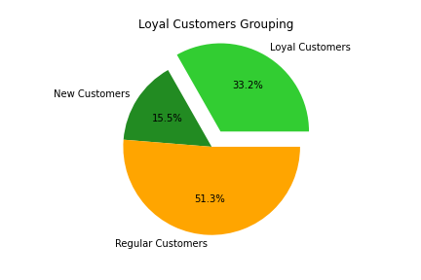
 |  |  |  |  |  | All customers were divided into 3 categories: Loyal Customers have placed more than 40 orders. Regular Customers have placed more than 10 but less than or equal to 40 orders. New Customers have placed less than or equal to 10 orders.

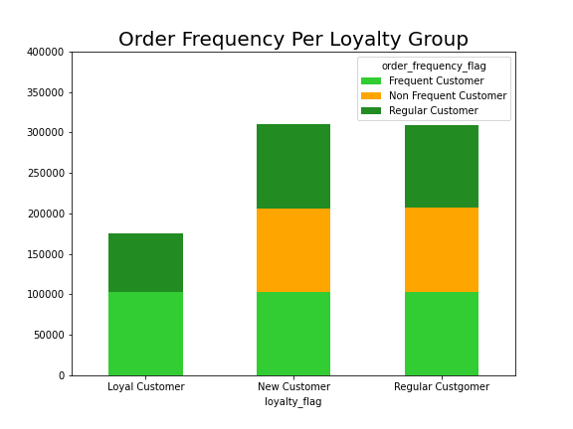
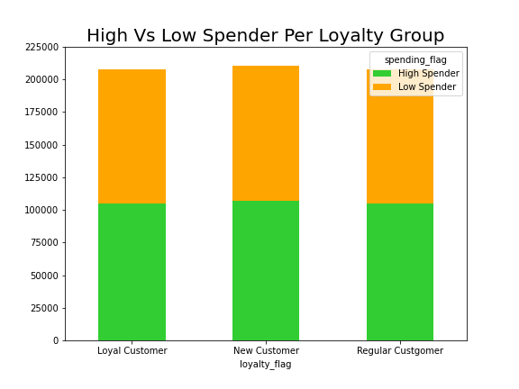
 |  |  |  |  |  |  |  |  |  |  |  |  |  | Our left two graphs help show any difference between how different loyalty groups shop. As you can see on the right graph, there is barely a distinction between the amount of customers that spend a lot of money vs smaller amounts of equal. Loyalty does not mean they spend more money. But the left graph shows us that new and regular customers have hardly a difference in the frequency of orders, but loyal customers shop more frequently. So they may not spend more money on an order, but they will spend more often. A reward system for loyal customers may encourage those in the regular customer to order more often as well.

Top Products Per Loyalty Group

 | Loyal Customers Top 30 Products |  |  |  | New Customers Top 30 Products |  |  |  |  |  |  |  | Regular Customers Top 30 Products
 | Product Name |  | Count | Dept ID | Product Name |  |  |  |  | Count |  |  | Product Name |  |  |  | Count
 | Banana |  | 155260 |  | Banana |  |  |  |  | 64767 |  |  | Banana |  |  |  | 233137
 | Bag of Organic Bananas |  | 144304 |  | Bag of Organic Bananas |  |  |  |  | 45848 |  |  | Bag of Organic Bananas |  |  |  | 176251
 | Organic Strawberries |  | 105185 |  | Organic Baby Spinach |  |  |  |  | 33175 |  |  | Organic Strawberries |  |  |  | 120510
 | Organic Hass Avocado |  | 84207 |  | Organic Strawberries |  |  |  |  | 30293 |  |  | Organic Baby Spinach |  |  |  | 118926
 | Organic Baby Spinach |  | 79671 |  | Organic Avocado |  |  |  |  | 28174 |  |  | Organic Hass Avocado |  |  |  | 98590
 | Organic Raspberries |  | 56291 |  | Large Lemon |  |  |  |  | 24085 |  |  | Organic Avocado |  |  |  | 89695
 | Organic Whole Milk |  | 56273 |  | Organic Hass Avocado |  |  |  |  | 24002 |  |  | Large Lemon |  |  |  | 77288
 | Organic Avocado |  | 50398 |  | Strawberries |  |  |  |  | 21920 |  |  | Strawberries |  |  |  | 72026
 | Limes |  | 45155 |  | Limes |  |  |  |  | 20094 |  |  | Limes |  |  |  | 69502
 | Large Lemon |  | 44024 |  | Cucumber Kirby |  |  |  |  | 16223 |  |  | Organic Whole Milk |  |  |  | 62273
 | Strawberries |  | 42384 |  | Organic Raspberries |  |  |  |  | 15144 |  |  | Organic Raspberries |  |  |  | 61510
 | Organic Yellow Onion |  | 41081 |  | Organic Whole Milk |  |  |  |  | 14968 |  |  | Organic Yellow Onion |  |  |  | 53534
 | Organic Garlic |  | 38585 |  | Organic Blueberries |  |  |  |  | 14734 |  |  | Organic Garlic |  |  |  | 52621
 | Organic Zucchini |  | 36220 |  | Organic Yellow Onion |  |  |  |  | 14604 |  |  | Organic Zucchini |  |  |  | 50780
 | Apple Honeycrisp Organic |  | 34394 |  | Organic Garlic |  |  |  |  | 14433 |  |  | Cucumber Kirby |  |  |  | 50571
 | Organic Blueberries |  | 32338 |  | Organic Zucchini |  |  |  |  | 13664 |  |  | Organic Blueberries |  |  |  | 48565
 | Organic Lemon |  | 31906 |  | Yellow Onions |  |  |  |  | 13454 |  |  | Organic Fuji Apple |  |  |  | 43802
 | Organic Large Extra Fancy Fuji Apple |  | 31308 |  | Organic Fuji Apple |  |  |  |  | 12434 |  |  | Organic Lemon |  |  |  | 41945
 | Organic Gala Apples |  | 30130 |  | Organic Grape Tomatoes |  |  |  |  | 11520 |  |  | Seedless Red Grapes |  |  |  | 40968
 | Organic Cucumber |  | 29810 |  | Seedless Red Grapes |  |  |  |  | 11107 |  |  | Organic Grape Tomatoes |  |  |  | 40823
 | Organic Fuji Apple |  | 29705 |  | Honeycrisp Apple |  |  |  |  | 10928 |  |  | Honeycrisp Apple |  |  |  | 39461
 | Organic Half & Half |  | 29274 |  | Organic Lemon |  |  |  |  | 10757 |  |  | Apple Honeycrisp Organic |  |  |  | 38366
 | Organic Grape Tomatoes |  | 28413 |  | Sparkling Water Grapefruit |  |  |  |  | 10662 |  |  | Yellow Onions |  |  |  | 38061
 | Half & Half |  | 27816 |  | Organic Baby Carrots |  |  |  |  | 10489 |  |  | Organic Baby Carrots |  |  |  | 37617
 | Seedless Red Grapes |  | 27320 |  | Asparagus |  |  |  |  | 10390 |  |  | Organic Cucumber |  |  |  | 37589
 | Honeycrisp Apple |  | 26376 |  | Organic Cucumber |  |  |  |  | 10100 |  |  | Sparkling Water Grapefruit |  |  |  | 37077
 | Cucumber Kirby |  | 25818 |  | Organic Baby Arugula |  |  |  |  | 9982 |  |  | Organic Baby Arugula |  |  |  | 36137
 | Organic Baby Carrots |  | 25671 |  | Michigan Organic Kale |  |  |  |  | 9934 |  |  | Organic Half & Half |  |  |  | 35763
 | Organic Whole String Cheese |  | 25656 |  | Organic Cilantro |  |  |  |  | 9904 |  |  | Fresh Cauliflower |  |  |  | 34684
 | Carrots |  | 25642 |  | Carrots |  |  |  |  | 9702

# 5b. Customers Grouped by Region and their Spending Habits

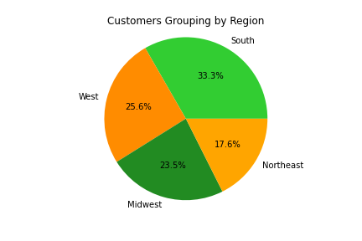

 |  |  |  |  | Customers have been grouped by regions they live in order to make it easier to filter and target ads if desired. Regions are marked by the 'geographic_region' in data and is divided as listed on 5. Column Derivations

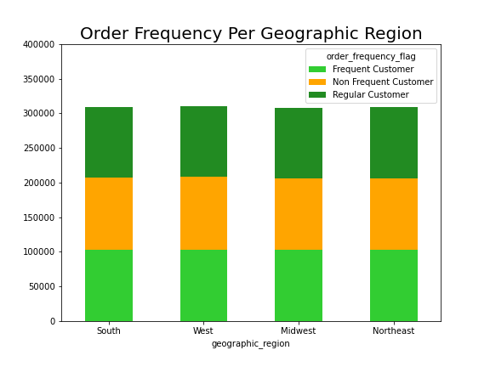
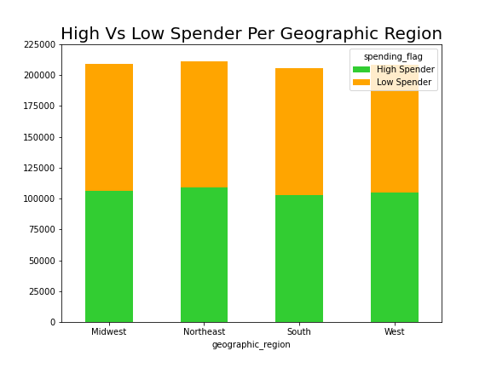

 |  |  |  |  |  |  |  |  |  |  |  |  |  |  | Our two graphs to the left are similar to the ones for loyalty flag breakdown, but this time for geographic region. As you can see there isn't a difference per region on whether a member is ordering more often or spending more money.

 |  |  |  |  |  |  |  |  |  |  |  |  |  |  |  | This chart to the left shows us the number of customers in each Region that fall into the Loyalty Categories. This shows us that the South and West are leading in new customers if you are wanting ads for new customers. Loyal customers are mostly located in the south. But Regular customers are fairly evenly scattered across all regions.

 | Dept ID | Midwest |  | Northeast |  |  |  | South |  |  | West

 | Loyal Customer | 2,373,774 (32%) |  | 1,841,785 (34%) |  |  |  | 3,405,844 (33%) |  |  | 2,662,690 (36%)
 | Regular Customer | 1,136,761 (16%) |  | 842,156 (15%) |  |  |  | 1,593,664 (15%) |  |  | 1,231,114 (16%)
 | New Customer | 3,750,978 (52%) |  | 2,780,744 (51%) |  |  |  | 5,311,631 (52%) |  |  | 4,033,423 (51%)

# 5c. Family status Data
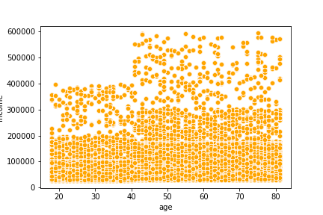
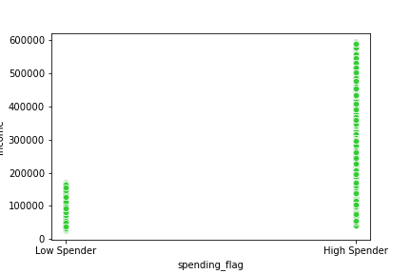
 |  |  |  |  |  |  |  |  |  |  |  |  |  |  | The scatterplot to the left is comparing customers' age (bottom) and their income (left). As you can see there is not a direct correlation between the two variables. One might think that as someone aged, their income would increase. But you can see below 20,000 is represented equally among all age brackets. You can see that there are gaps where a certain income is more likely to be brought in by an older person. For example, no one under 40 is making over 40,000. Our second chart shows that Low Spenders all have an income of $20,000 or less. Anyone that is a high spender can also have that income, but also any other income. You would miss some high spenders if you target ads to those above a certain income, but you would high spenders ONLY if you targeted above $20,000.

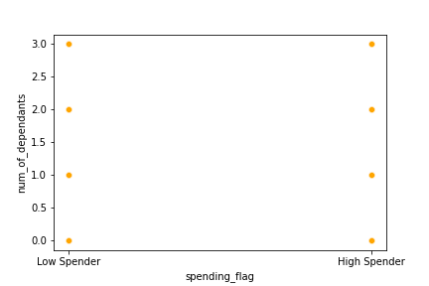
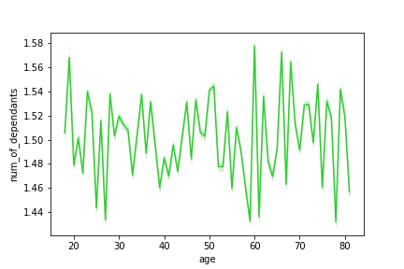

 |  |  |  |  |  |  |  |  |  |  |  |  |  |  | To the left we are looking to see if the number of dependants (family status) affects a customer's spending. You would think the age of someone with dependants would start around age 18-20 and then around age 60 you would no longer have dependants. But the chart on the far left shows that age has no correlation with how many dependants are claimed. It's possible younger couples are including their parent, or a parent is still including their children, even if they are full grown. This would make it hard to target families based on age in ads. You can just do an exclusion flag for if they have dependants or not. The right chart shows that the number of dependants has 0 influence on whether the customer is a low spender or high spender. There is a dot on each spot for each which implies each spot is represented.

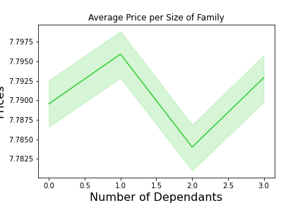
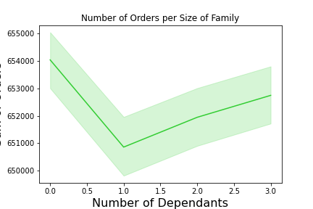
 |  |  |  |  |  |  |  |  |  |  |  |  |  |  | The final graphs for family dynamics show us if the size of the family affects how many orders are placed, or the average price of items purchased. The left graph shows that the average price of items purchased is highest with only 1 dependant. It is about the same for 0 or 3, and it is at it's lowest with 2 dependants. Although this is a difference it is not a consistent difference (with prices increasing or decreasing steadily per family size getting larger). The second graph (on the right) shows the total number of orders per family size. You can see the largest amount of orders are placed by those that have no dependants. The lowest point is those with only 1 dependant but then slowly increases again as family size gets larger.

7. Final Recommendations
Final Recommendations

1. If you are targeting ads while people are already spending, ads should be targeted for Fri-Sun from 9am-4pm. The departments should focus on Produce (especially organic), Dairy & Eggs, Snacks, and Beverages.
2. Different groups of customers can be targeted thanks to our flags we created. These include:
a. Loyalty (how many orders placed)
b. Spending (how much they spend on average)
c. Frequency (how often they order)
d. Region (where they live)
**Products have also been divided by cost of the item
3. Loyal Customers order more frequently. There is no difference among regular and new customers. A loyalty program to reward members for ordering weekly (or more frequently) would increase consistency of sales and help bump some regular customers into the Loyal category.
4. Region does not seem to affect purchases of customers. Each region is mostly made up of 50% new customers, 30% loyal and 20% regular. Once again a loyalty program to encourage new and regular customers to become more loyal would help. There are more new customers in the South and West so targeting ads in those regions would be a good start.
5. Family situation does not seem to have a large effect on spending habits. Number of dependents is not directly correlated to income or age, making it harder to target. If you still want to target ads in this direction, those with no dependents are more likely to place more orders. Those with 1 or 3 dependents are more likely to buy more expensive items.

7. Data Citation
Data Citation

“The Instacart Online Grocery Shopping Dataset 2017”, Accessed from https://www.instacart.com/datasets/grocery-shopping-2017 on [date].
Customer Data from customer.csv, as well as the “prices” column in the products data set, were both fabricated for the purpose of this course

